Bowls
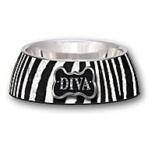
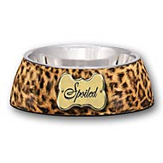
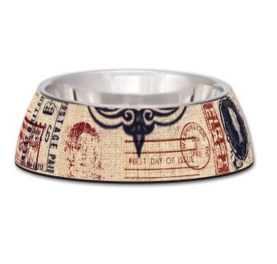
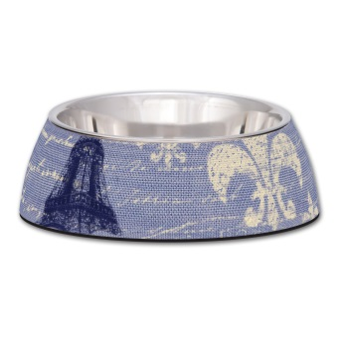
Item | Description | UPC | Cases | Case Pack | Pieces | MSRP | Cost Per Piece | Extended Cost | 7101 | 7103-7105 | 7106-7108 | 7109, 7111
7101 | Medium Milano Bowl- Diva | 842982071018 | 23 | 48 | 1,104 | $9.99 | $1.93 | $2,130.72
7103 | Small Milano Bowl- Spoiled Leopard Print | 842982071032 | 13 | 48 | 624 | $7.99 | $1.38 | $861.12
7104 | Medium Milano Bowl- Spoiled Leopard Print | 842982071049 | 10 | 48 | 480 | $9.99 | $1.93 | $926.40
7105 | Large Milano Bowl- Spoiled Leopard Print | 842982071056 | 0 | 24 | - | $14.99 | $2.48 | $0.00
7106 | Small Milano Bowl- Special Delivery | 842982071063 | 76 | 48 | 3,648 | $7.99 | $1.38 | $5,034.24
7107 | Medium Milano Bowl- Special Delivery | 842982071070 | 28 | 48 | 1,344 | $9.99 | $1.93 | $2,593.92
7108 | Large Milano Bowl- Special Delivery | 842982071087 | 82 | 24 | 1,968 | $14.99 | $2.48 | $4,880.64
7109 | Small Milano Bowl- Blue Linen | 842982071094 | 74 | 48 | 3,552 | $7.99 | $1.38 | $4,901.76
7111 | Large Milano Bowl- Blue Linen | 842982071117 | 66 | 24 | 1,584 | $14.99 | $2.48 | $3,928.32
7112 | Small Milano Bowl- Traveler | 842982071124 | 82 | 48 | 3,936 | $7.99 | $1.38 | $5,431.68
7113 | Medium Milano Bowl- Traveler | 842982071131 | 17 | 48 | 816 | $9.99 | $1.93 | $1,574.88 | 7112-7114 | 7116 | 7121-7123 | 7331, 7348
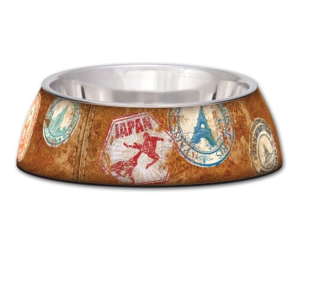
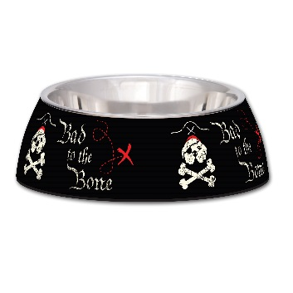
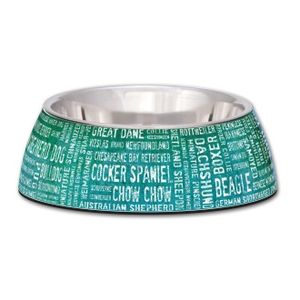
7114 | Large Milano Bowl- Traveler | 842982071148 | 76 | 24 | 1,824 | $14.99 | $2.48 | $4,523.52
7116 | Medium Milano Bowl- Bad to the Bone | 842982071162 | 3 | 48 | 144 | $9.99 | $1.93 | $277.92
7121 | Small Milano Bowl- Breed Names | 842982071216 | 93 | 48 | 4,464 | $7.99 | $1.38 | $6,160.32
7122 | Medium Milano Bowl- Breed Names | 842982071223 | 13 | 48 | 624 | $9.99 | $1.93 | $1,204.32
7123 | Large Milano Bowl- Breed Names | 842982071230 | 46 | 24 | 1,104 | $14.99 | $2.48 | $2,737.92
7348 | 12 oz. Artistic Antique Copper No-tip | 842982073487 | 8 | 48 | 384 | $10.99 | $2.40 | $921.60
7331 | 48 oz. Artistic Antique Copper No-tip | 842982073319 | 88 | 24 | 2,112 | $27.99 | $4.54 | $9,588.48
7721 | Bella bowl small-Paisley | 842982077218 | 4 | 48 | 192 | $8.99 | $1.10 | $211.20
7958 | X-Small Robusto Bowl- Sunburst | 842982079588 | 40 | 24 | 960 | $9.99 | $2.19 | $2,102.40 | 7721 | 7958-7961
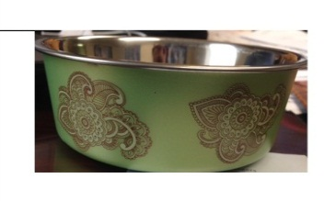
7959 | Small Robusto Bowl- Sunburst | 842982079595 | 63 | 24 | 1,512 | $11.99 | $2.62 | $3,961.44
7960 | Medium Robusto Bowl- Sunburst | 842982079601 | 41 | 24 | 984 | $15.99 | $3.57 | $3,512.88
7961 | Large Robusto Bowl- Sunburst | 842982079618 | 58 | 12 | 696 | $19.99 | $5.05 | $3,514.80
 |  |  |  | Totals | 34,056 |  |  | $70,980.48

Double Diners
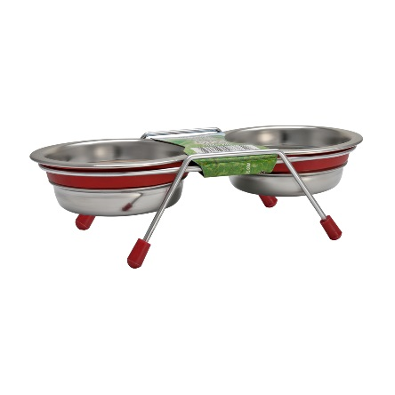
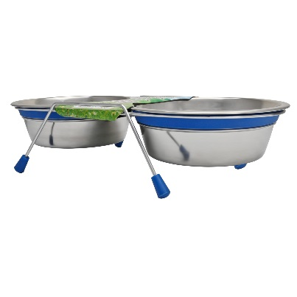
Item | Description | UPC | Cases | Case Pack | Pieces | MSRP | Cost Per Piece | Extended Cost
7385 | 1/2 Pint Silent Double Diner- Red | 842982073852 | 36 | 48 | 1,728 | $8.99 | $1.38 | $2,384.64 | 7385-7386 | 7389, 7392
7386 | 1 Pint Silent Double Diner- Red | 842982073869 | 40 | 48 | 1,920 | $10.99 | $1.88 | $3,609.60
7389 | 1/2 Pint Silent Double Diner- Blue | 842982073890 | 46 | 48 | 2,208 | $8.99 | $1.38 | $3,047.04
7392 | 2 Quart Silent Double Diner- Blue | 842982073920 | 28 | 24 | 672 | $22.99 | $4.04 | $2,714.88
 |  |  |  | Totals | 6,528 |  |  | $11,756.16

Toys
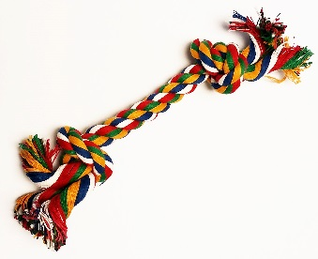
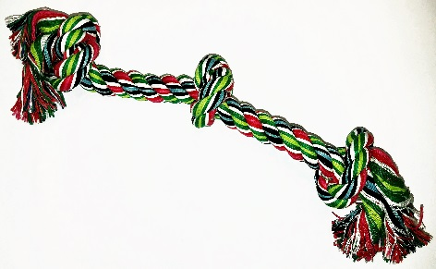
Item | Description | COO | UPC | Cases | Case Pack | Pieces | MSRP | Cost Per Piece | Extended Cost | 1001 | 1009
1001 | Small Multicolor Bone Rope Toy | China | 842982010017 | 13 | 200 | 2,600 | $1.49 | $0.20 | $520.00
1009 | 3 Knot Milticolor Rope Toy | China | 842982010093 | 18 | 100 | 1,800 | $1.99 | $0.55 | $990.00
1025 | 1.75" Tennis Balls Bulk | China | 842982010253 | 12 | 400 | 4,800 | $0.99 | $0.26 | $1,248.00
 |  |  |  |  | Totals | 9,200 |  |  | $2,758.00

 |  |  |  |  |  |  |  |  |  | 1025

Treats
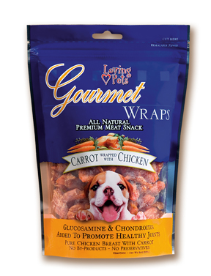
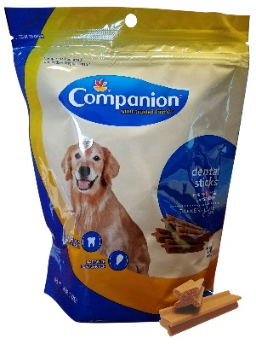
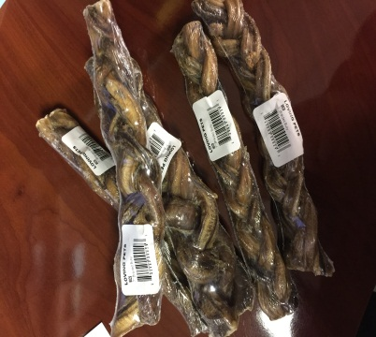
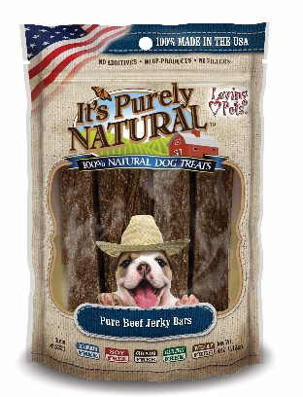
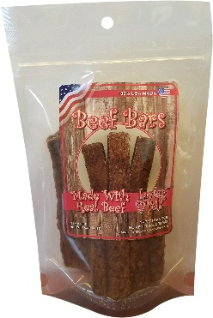
Item | Description | COO | UPC | Cases | Case Pack | Pieces | MSRP | Cost Per Piece | Extended Cost | 9031 | 5221 | 8064
9031 | 7" Braided Bully Stick (shrink Wrapped w/Band) w/ Shelf Display Box | India | 842982090316 | 306 | 50 | 15,300 | $7.99 | $2.07 | $31,671.00
5221 | 4 oz. Pure Beef Jerky Bars | USA | 842982052215 | 275 | 24 | 6,600 | $7.99 | $1.42 | $9,372.00
8064 | 4oz. Soft Chew Beef Bars | USA | 842982080645 | 241 | 24 | 5,784 | $7.99 | $1.50 | $8,676.00
5562 | 6oz Carrot & Chicken Wraps | China | 842982055629 | 228 | 24 | 5,472 | $11.99 | $1.90 | $10,396.80
48405071 | Dental Sticks Large 18pk | USA | 041520045256 | 497 | 6 | 2,982 | $12.99 | $2.75 | $8,200.50
 |  |  |  |  | Totals | 36,138 |  |  | $68,316.30

 |  |  |  |  |  |  |  |  |  | 5562 | 48405071

Rawhide
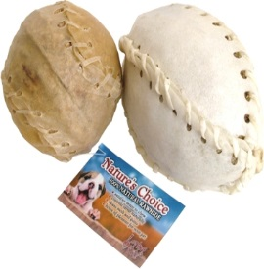
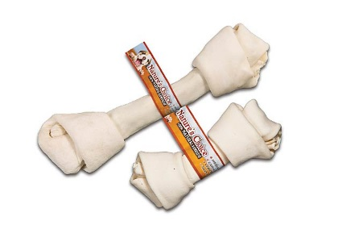
Item | Description | COO | UPC | Cases | Case Pack | Pieces | MSRP | Cost Per Piece | Extended Cost
4114 | 17-18" White Knotted Bone | China | 842982041141 | 18 | 20 | 360 | $22.99 | $4.11 | $1,479.60 | 4114 | 6411
4445 | 3" White Laced Shoe | China | 842982044456 | 14 | 300 | 4,200 | $0.99 | $0.16 | $672.00
4447 | 8" White Laced Shoe | China | 842982044470 | 14 | 100 | 1,400 | $3.49 | $0.67 | $938.00
6411 | 2pk 5" X 20mm Pressed Sticks | China | 842982047242 | 76 | 72 | 5,472 | $1.99 | $0.51 | $2,790.72
4448 | 3" Natural Baseball | China | 842982044487 | 12 | 100 | 1,200 | $3.99 | $0.83 | $996.00
4724 | 5"x20mm Pressed Sticks | China | 842982047242 | 207 | 500 | 103,500 | $0.99 | $0.27 | $27,945.00
 |  |  |  |  | Total | 116,132 |  |  | $34,821.32

 |  |  |  |  |  |  |  |  |  | 4445, 4447 | 4724
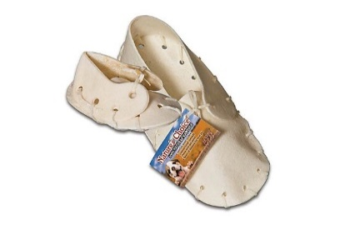
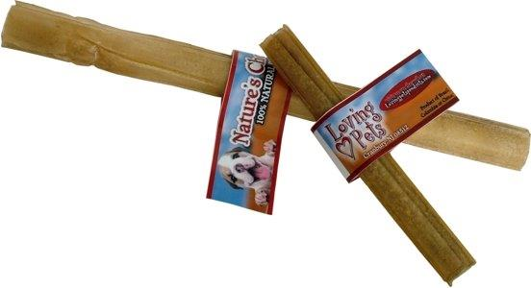

 |  |  |  |  |  |  |  |  |  | 4448

Aquatics
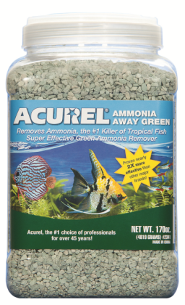
Item | Description | UPC | Cases | Case Pack | Pieces | MSRP | Cost Per Piece | Extended Cost
2341 | Gallon Amm-Away 170 Oz. | 842982023413 | 101 | 4 | 404 | $26.04 | $3.88 | $1,567.52 | 2341

